Bestandsliste
Yves Rocher Bestandsliste |  |  | 146,073 |  |  |  | 915,378.33 €
Code |  | Kategorie | Bestand | Mindesthaltbarkeit | Bilderlink | VK Preis | VK Gesamt
72489 | 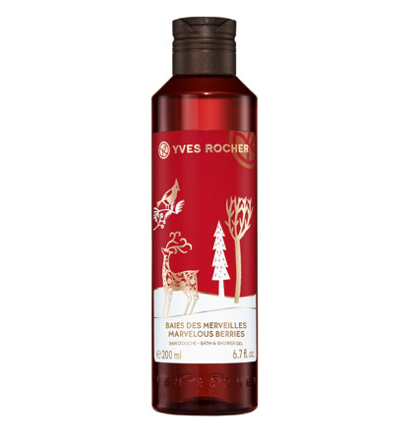 Wunderbeere Duschbad 200ml | PROD WUNDERBEERE | 28,573 | 2020-10-05 | https://www.yves-rocher.de/images/catalog/products/zoom1/72489.jpg | 3.90 € | 111,434.70 €
74289 | 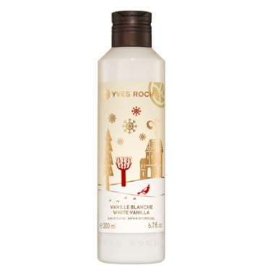 Weisse Vanille Duschbad 200ml | PROD WEISSE VANILLE | 18,973 | 2020-09-12 | https://www.yves-rocher.de/images/catalog/products/zoom1/74289.jpg | 3.90 € | 73,994.70 €
81205 | 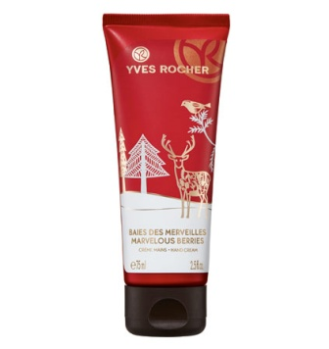 Wunderbeere Handcreme 75ml | PROD WUNDERBEERE | 12,161 | 2020-10-16 | https://www.yves-rocher.de/images/catalog/products/zoom1/81205.jpg | 4.90 € | 59,588.90 €
79693 | 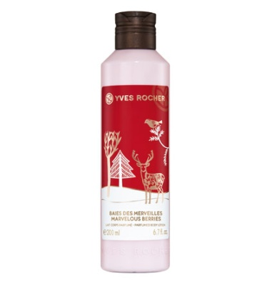 Wunderbeere Koerpermilch 200ml | PROD WUNDERBEERE | 12,932 | 2020-09-27 | https://www.yves-rocher.de/images/catalog/products/zoom1/79693.jpg | 5.90 € | 76,298.80 €
82490 | 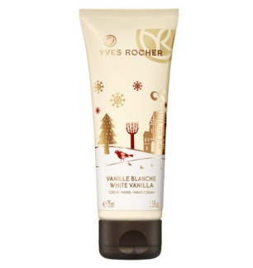 Weisse Vanille Handcreme 75ml | PROD WEISSE VANILLE | 9,674 | 2020-11-12 | https://www.yves-rocher.de/images/catalog/products/zoom1/82490.jpg | 4.90 € | 47,402.60 €
76761 | 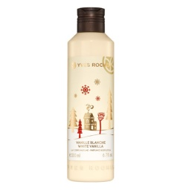 W. Vanille Koerpermilch 200ml | PROD WEISSE VANILLE | 9,564 | 2020-10-02 | https://www.yves-rocher.de/images/catalog/products/zoom1/76761.jpg | 5.90 € | 56,427.60 €
77891 | 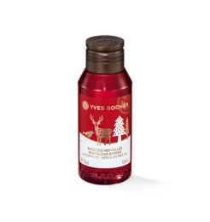 Wunderbeere Duschbad 50ml | PROD WUNDERBEERE | 6,146 | 2020-09-12 | https://www.yves-rocher.de/images/catalog/products/zoom1/77891.jpg | 2.90 € | 17,823.40 €
78683 | 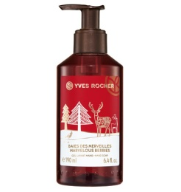 Wunderbeere Fluessigseife | PROD WUNDERBEERE | 7,410 | 2020-11-13 | https://www.yves-rocher.de/images/catalog/products/zoom1/78683.jpg | 5.90 € | 43,719.00 €
29788 | 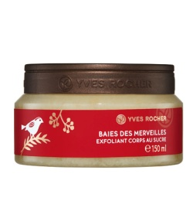 Wunderbeere Koerperpeeling | PROD WUNDERBEERE | 6,736 | 2020-11-13 | https://www.yves-rocher.de/images/catalog/products/zoom1/29788.jpg | 19.90 € | 134,046.40 €
84967 | W. Vanille Koerperbalsam 150ml | PROD WEISSE VANILLE | 6,122 | 2020-11-06 | https://www.yves-rocher.de/images/catalog/products/zoom1/84967.jpg | 19.90 € | 121,827.80 €
71795 | 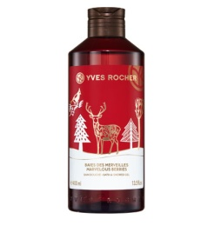 Wunderbeere Duschbad 400ml | PROD WUNDERBEERE | 4,524 | 2020-10-08 | https://www.yves-rocher.de/images/catalog/products/zoom1/71795.jpg | 6.50 € | 29,406.00 €
75128 | 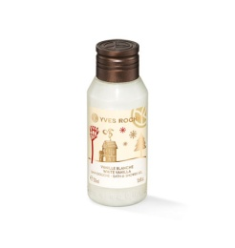 Weisse Vanille Duschbad 50ml | PROD WEISSE VANILLE | 3,519 | 2020-09-27 | https://www.yves-rocher.de/images/catalog/products/zoom1/75128.jpg | 2.90 € | 10,205.10 €
76070 | 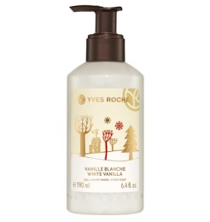 W. Vanille Fluessigseife | PROD WEISSE VANILLE | 3,834 | 2020-11-08 | https://www.yves-rocher.de/images/catalog/products/zoom1/76070.jpg | 5.90 € | 22,620.60 €
24141 | 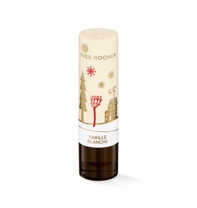 Weisse Vanille Lipbalm | PROD WEISSE VANILLE | 2,390 | 2020-09-10 | https://www.yves-rocher.de/images/catalog/products/zoom1/24141.jpg | 3.90 € | 9,321.00 €
73482 | 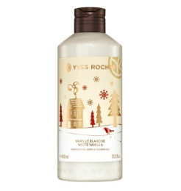 Weisse Vanille Duschbad 400ml | PROD WEISSE VANILLE | 1,780 | 2020-10-02 | https://www.yves-rocher.de/images/catalog/products/zoom1/73482.jpg | 6.50 € | 11,570.00 €
24744 | 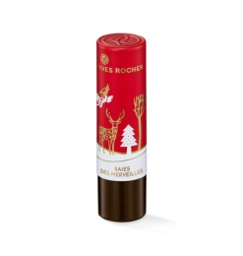 Wunderbeere Lipbalm | PROD WUNDERBEERE | 1,771 | 2020-09-06 | https://www.yves-rocher.de/images/catalog/products/zoom1/24744.jpg | 3.90 € | 6,906.90 €
81857 | 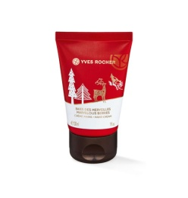 Wunderbeere Handcreme 30ml | PROD WUNDERBEERE | 3,991 | 2020-10-30 | https://www.yves-rocher.de/images/catalog/products/zoom1/81857.jpg | 1.90 € | 7,582.90 €
28015 | 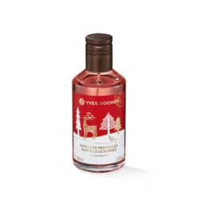 Wunderbeere EdT 100ml | PROD WUNDERBEERE | 1,822 | 2020-11-08 | https://www.yves-rocher.de/images/catalog/products/zoom1/28015.jpg | 17.90 € | 32,613.80 €
83401 | 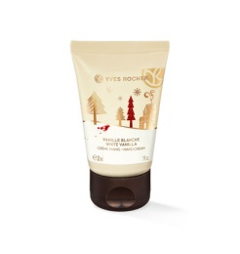 Weisse Vanille Handcreme 30ml | PROD WEISSE VANILLE | 888 | 2020-10-24 | https://www.yves-rocher.de/images/catalog/products/zoom1/83401.jpg | 1.90 € | 1,687.20 €
30772 | 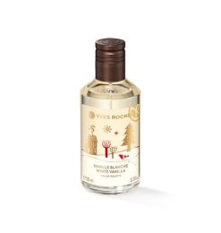 W. Vanille EdT 100ml | PROD WEISSE VANILLE | 923 | 2020-10-10 | https://www.yves-rocher.de/images/catalog/products/zoom1/30772.jpg | 17.90 € | 16,521.70 €
49030 | 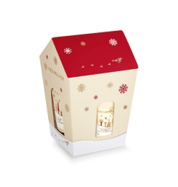 Weisse Vanille Geschenkset | PROD WEISSE VANILLE (SET) | 588 | 2020-05-30 | https://www.yves-rocher.de/images/catalog/products/zoom1/49030.jpg | 9.99 € | 5,874.12 €
56150 | 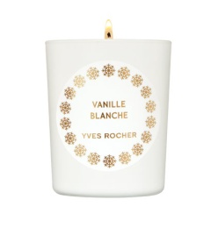 W. Vanille Duftkerze 70ml | PROD WEISSE VANILLE | 736 | 2020-07-24 | https://www.yves-rocher.de/images/catalog/products/zoom1/56150.jpg | 13.90 € | 10,230.40 €
48127 | 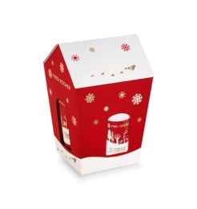 Wunderbeere Geschenkset | PROD WUNDERBEERE (SET) | 359 | 2020-05-29 | https://www.yves-rocher.de/images/catalog/products/zoom1/48127.jpg | 9.99 € | 3,586.41 €
80617 | 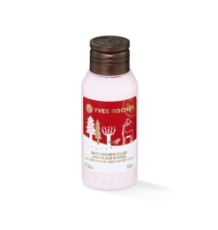 Wunderbeere Koerpermilch 50ml | PROD WUNDERBEERE | 404 | 2020-02-26 | https://www.yves-rocher.de/images/catalog/products/zoom1/80617.jpg | 2.90 € | 1,171.60 €
56080 | 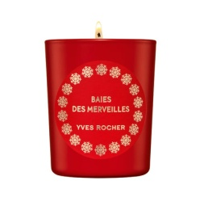 Wunderbeere Duftkerze 70ml | PROD WUNDERBEERE | 253 | 2020-07-27 | https://www.yves-rocher.de/images/catalog/products/zoom1/56080.jpg | 13.90 € | 3,516.70 €
84003 | 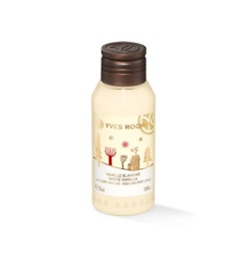 W. Vanille Koerpermilch 50ml | PROD WEISSE VANILLE | 311 | 2020-09-04 | https://www.yves-rocher.de/images/catalog/products/zoom1/84003.jpg | 2.90 € | 901.90 €
 |  |  | 146,384 |  |  |  | 916,280.23 €

